
 |  |  |  | CODE: |  |  | PL1271 aa SN from 98I000
DESCRIPTION: |  | HOOD LIFTING |  | HAUBEHEBE | SOULEVEMENT COFFRE | LEVANTAMIENTO CAPÓ | SOLLEVAMENTO COFANO
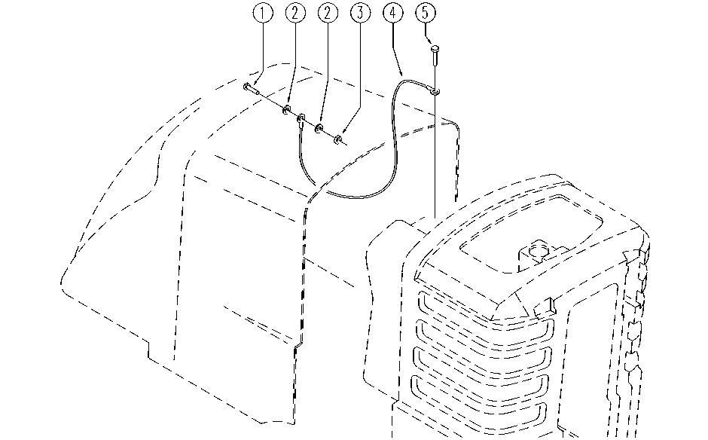

REF. | CODE | DESCRIPTION | QT
1 | SL04161 | SCREW | 1
2 | E86427 | Washer for AS20 | 2
3 | E86552 | nut | 1
4 | SL14220 | TIE ROD | 1
5 | E86367 | clip WS20 | 1

